Overview
Overview
Release FY 2024

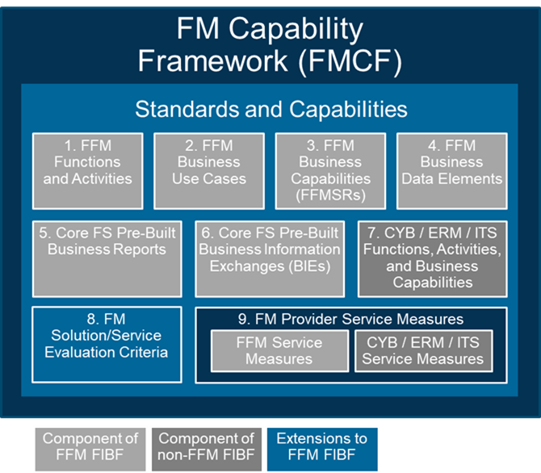
Core FS Pre-Built Business Reports
FMCF Context | The Financial Management Capability Framework (FMCF) provides a common set of FM standards and capabilities that are the foundation for all offerings in the FM QSMO Marketplace. The Core FS Pre-Built Business Reports is component 5 of the FMCF. Refer to the Guide to the FM QSMO Marketplace for a description of each FMCF component and how the components relate to each other.
Workbook Tab | Description
Cover | Provides the FMCF artifact title and version identification
Changel Log | Describes the change(s) that have occurred with the Core FS Pre-Built Business Reports and the rationale for the change
Overview | Lists each workbook tab and provides an explanation of the content
Rpt Principles and Assumptions
Objective | This tab provides a list of the principles and assumptions underlying the Core FS Pre-Built Business Reports.
Core FS Pre-Built Reports List
Objective | This tab provides a list of the reports that providers are expected to have pre-built and included in the Core FS Baseline Solution.
FFM Service Function | This column provides the identifier and name of the Federal Integrated Business Framework (FIBF) FFM Service Function associated with the Core FS Pre-Built Business Report.
FFM Service Activity | This column provides the identifier and name of the FIBF FFM Service Activity associated with the Core FS Pre-Built Business Report.
Report Name | This column provides the name of the Core FS Pre-Built Business Report.
Report Description | This column provides a description of the Core FS Pre-Built Business Report.
Pre-Built Report Specification Reference | This column either refers to a tab in this workbook with the report specification information or a URL to the report specification.
FFM Business Use Case | This column provides the identifier and name of the FIBF FFM Business Use Case in which the Core FS Pre-Built Business Report is referenced.
Core FS Pre-Built Business Report Specifications
Objective | These tabs provide a list of report data elements and sources of information for each of the Core FS Pre-Built Business Reports.
Report Description | The description of the Core FS Pre-Built Business Report.
Report Data Selection Parameters | The list of required and optional data selection parameters available to achieve the needed report content.
Report Data Element Label | The name of the data element on the report. In some cases, this is the same as the FFM Business Data Element Label. In other cases, it is a variation the FFM Business Data Element Label specific to the intent of the report (e.g., "Legal Entity" data elements may be labeled as "Customer" on a receivable report)
Report Data Element Description | A description of the intended content of the report data element. In some cases this is the same as the FFM Business Data Element Definition. In other cases, it is a derivative or clarification of the FFM Business Data Element Definition specific to the intent of the report.
FFM Business Data Element Label | The label of one or more FFM Business Data Elements when the source for the Report Data Element content is within the FFM Functional Area.
Other Functional Area Data Element | The identifier of another FIBF Functional Area and if available, the label of the other Functional Area's FIBF Business Data Element when the source for the Report Data Element content is from another FIBF Functional Area.
Calculated | An indicator of "X" when the content of a Report Data Element is calculated from other Report Data Elements.

